Architecture PROD
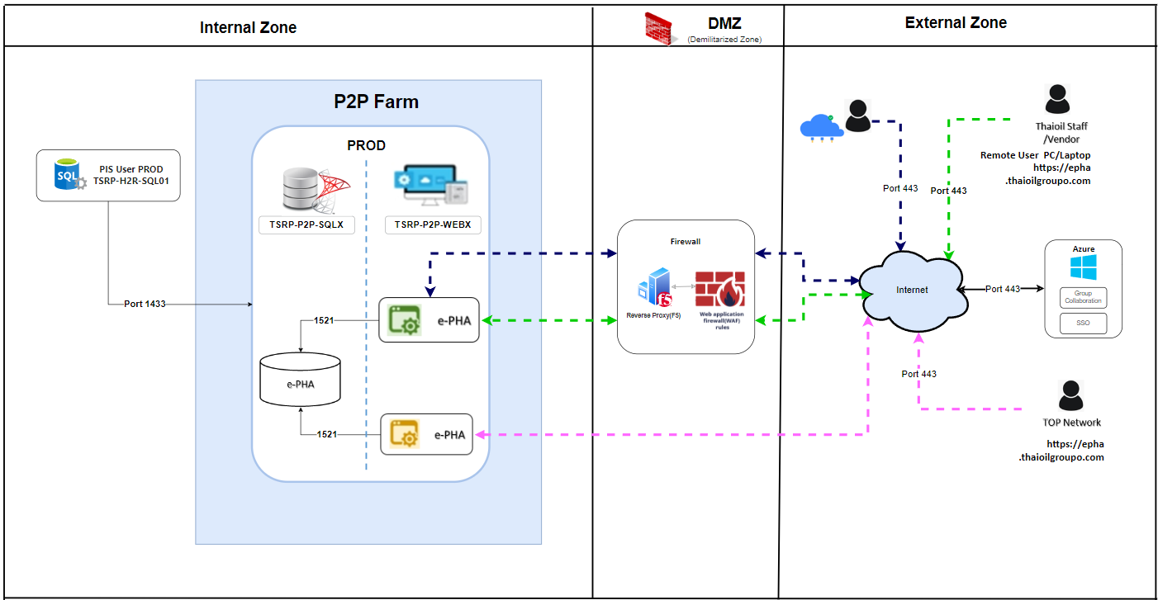

Architecture QAS


